Data compilationpresentation
 | Trial 1 | Trial 2 | Trial 3 | Avg time to boil | Large pot | Avg time to boil
Full-radial | 4:10:00 | 5:20:00 |  | 4:45:00 | Full-radial | 285
Half-radial | 4:47:00 | 4:25:00 | 4:02:00 | 4:24:40 | Half-radial | 264
Horizontal | 5:05:00 |  |  | 5:05:00 | Horizontal | 306
Jet Boil | 3:41:00 | 3:33:00 | 3:29:00 | 3:34:20 | Jet Boil | 214 |  | 0.7109634551
Standard | 5:08:00 | 5:08:00 | 4:49:00 | 5:01:40 | Standard | 301 |  | 0.2890365449
Avg time to boil (sec) for Large pots
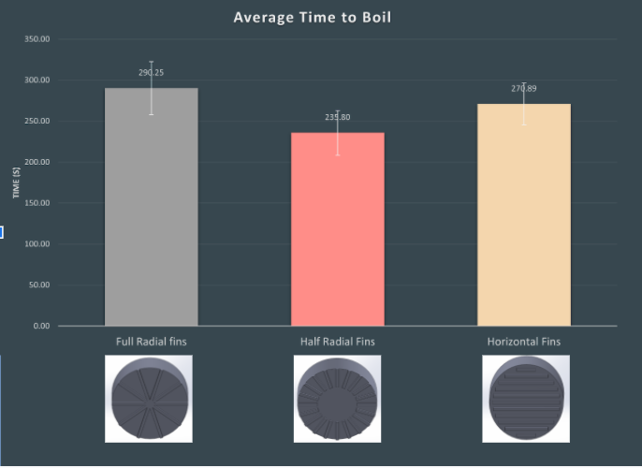

 | Trial 1 | Trial 2 | Trial 3 | Avg time to boil | Large pot | Avg time to boil
Full-radial | 255 | 220 | 317 | 237.5 | Full-radial | 264
Half-radial | 259 | 242 | 270 | 257 | Half-radial | 257
Jet Boil | 210 | 220 | 212 | 214 | Jet Boil | 214
Standard | 372 | 328 | 372 | 357.3333333 | Standard | 357.3333333

Trial #1 |  |  | Trial #2 |  |  | Trial #3
Starting Temp (°C) | 23 |  | Starting Temp | 23.4 |  | Starting Temp | 23.7
Boiling Temp | 97 |  | Boiling Temp | 97.3 |  | Boiling Temp | 98
Time to Boil | 6:12:00 |  | Time to Boil | 5:28:00 |  | Time to Boil | 6:12:00
 | 372 |  |  | 328 |  |  | 372
 | 259 |  |  | 242 |  |  | 270
 | 255 |  |  | 220 |  |  | 317
 | 210 |  |  | 220 |  |  | 212

